Summary - DP- no need to refer
 | C x UHF - 1 to 16

 |  | 4 | 4 | 4 | 4

 |  | All M |  | All R

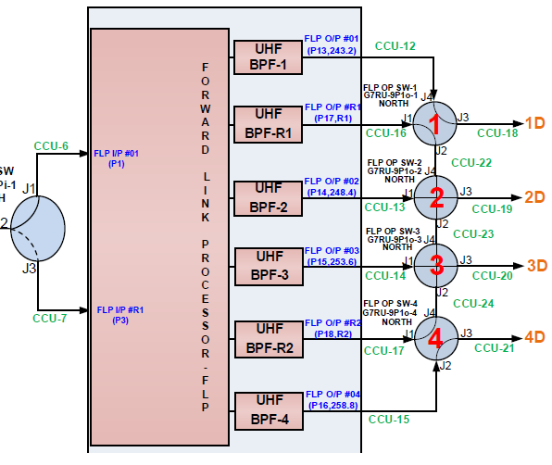
 | Port fails | R1,R2 fails | 1,2 fails | 3,4 fails | R1,R2 fails |  |  |  |  |  |  |  |  |  |  | 16 |  |  |  | 0
 | f1 | 1 | R1 | 1 | 1
 | f2 | 2 | 3 | R1 | 2
 | f3 | 3 | R2 | 2 | 3 |  |  |  |  |  |  |  | RET: R1 as 1, 2 as 3
 | f4 | 4 | 4 | R2 | 4 |  |  |  |  |  |  |  | RET: 2 as 1, 4 as 3
 |  |  |  |  |  |  |  |  |  |  |  |  | Mesh Link
 | IP SW | 1 | 2 | 2 | 1 | SA
 |  |  |  |  |  |  |  |  |  |  |  |  | 3 sets | 15
 | Ch card | M | R | R | M |  |  |  |  |  |  |  | FWD: ports R1&3 as port 2 | 3 | one per set
 |  |  |  |  |  |  |  |  |  |  |  |  | with router redt other all main | 3 | one per set
 | Ch EPC | M | M | R | R
 | Sy EPC | M | M | R | R |  |  |  |  |  |  |  |  | 21
 | Router | M | M | R | R
 | CDU | M | M | R | R

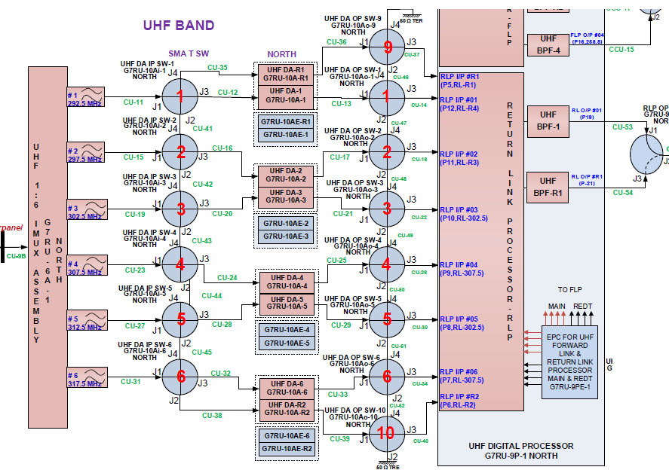
 | Sy card | M | R | R | M

 | OP SW-1 | 1 | 2 | 1 | 1
 | OP SW-2 | 2 | 3 | 1 | 2
 | OP SW-3 | 2 | 3 | 1 | 2
 | OP SW-4 | 3 | 3 | 2 | 3
 |  |  |  |  |  |  |  |  | untested | 2 as 1
 |  |  |  |  |  |  |  |  |  | 4 as 3
 | UHF SSPA | M | M | R | R |  |  |  |  | 3 as 4
 | C x UHF D/C | M | M | R | R
 | C RX | M | M | R | R
UHF x C

 |  | 12 | 12 | 12 | 12 |  |  | 4 | 4 | 4 | 4 |  |  | 4 | 4 | 4 | 4 | 4 | 4 | 2 | 2 | 92
 |  | R1,R2 fails |  |  |  |  |  | 1,2 fails | 5,6 fails | 3,4 fails, R1,R2 fails | R1,R2 fails | 3,4 fails |  | 1,2 fails | 5,6 fails | R1,R2 fails |  |  |  | R1,R2 fails |  | add one for port 6 main
 |  | SET 1 | SET 2 | SET 3 | SET 4 |  |  | SET 1 | SET 4 | SET 4 | SET 1 |  |  | SET 1 | SET 4 | SET 1 | SET 4 | SET 1 | SET 4 | SET 4 | SET 1
 |  |  |  |  |  |  |  |  |  | vyas sir | shivam
1 | IP port 1 |  |  |  |  |  |  | R1 | R1 | - | 2 | Ports repeated |  | R1 | R1 | 1 | 1 | 1 | 1 | 1 | 1
2 | IP port 2 |  |  |  |  |  |  | 3 | 1 | 1 | 3 |  |  | 3 | 1 | 2 | 2 | 2 | 2 | 2 | 2
3 | IP port 3 |  |  |  |  |  |  | 4 | 2 | 2 | - |  |  | 4 | 2 | 3 | 3 | 3 | 3 | 3 | 3
4 | IP port 4 |  |  |  |  |  |  | 5 | 3 | 5 | 5 |  |  | 5 | 3 | 4 | 4 | 4 | 4 | 4 | 4
5 | IP port 5 |  |  |  |  |  |  | 6 | 4 | 6 | - |  |  | 6 | 4 | 5 | 5 | 5 | 5 | 5 | 5
6 | IP port 6 |  |  |  |  |  |  | R2 | R2 | - | - |  |  | R2 | R2 | 6 | 6 | 6 | 6 | 6 | 6

 | Ch card | M1,M2 | M1,M2 | M2 | M1,M2,R1 |  |  | M2,R1,R2 | M1,M2,R2 | M1,R1 | M1,M2,R1 |  |  | M2,R1,R2 | M1,M2,R2 | M1,M2 | M1,M2,R1 | M1,M2 | M1,M2,R1 | M1,M2 | M1,M2,R1

 | Ch EPC | M | M | M | M |  |  | M | M | M | M |  |  | R | R | R | R | R | R | M | M
 | Sy EPC | M | M | M | M |  |  | M | M | M | M |  |  | R | R | R | R | R | R | M | M
 | Router | M | M | M | M |  |  | M | M | M | M |  |  | R | R | R | R | R | R | M | M
 | CDU | M | M | M | M |  |  | M | M | M | M |  |  | R | R | R | R | R | R | M | M

 | Sy Card | M | M | M | M |  |  | M | M | M | M |  |  | M | M | R | R | R | R | M | M

 | UHF LNA | M | M | M | M |  |  | M | M | M | M |  |  | M | M | R | R | R | R | M | M
 | UHF x C U/C | M | M | M | M |  |  | M | M | M | M |  |  | M | M | R | R | R | R | M | M
 | C SSPA | M | M | M | M |  |  | M | M | M | M |  |  | M | M | R | R | R | R | M | M

 | DA OP SW-9 | 2 | 2 | 2 | 2 |  |  | 3 | 3 | 2 |  |  |  | 3 | 3 | 1 |  | 3 |  |  | 1
 | DA OP SW-1 | 2 | 2 | 2 | 2 |  |  | 3 | 3 | 3 |  |  |  | 3 | 3 | 1 |  | 3 |  |  | 1
 | DA OP SW-2 | 2 | 2 | 2 | 2 |  |  | 1 | 3 | 3 |  |  |  | 1 | 3 | 1 |  | 3
 | DA OP SW-3 | 2 | 2 | 2 | 2 |  |  | 1 | 3 | 3 |  |  |  | 1 | 3 | 1 |  | 3
 | DA OP SW-4 | 2 | 2 | 2 | 2 |  |  | 1 | 3 | 1 |  |  |  | 1 | 3 | 1 |  | 3
 | DA OP SW-5 | 2 | 2 | 2 | 2 |  |  | 1 | 3 | 1 |  |  |  | 1 | 3 | 1 |  | 3
 | DA OP SW-6 | 2 | 2 | 2 | 2 |  |  | 1 | 1 | 1 |  |  |  | 1 | 1 | 1 |  | 3 |  | 3
 | DA OP SW-10 | 2 | 2 | 2 | 2 |  |  | 1 | 1 | 2 |  |  |  | 1 | 1 | 1 |  | 3 |  | 3

 | DA | M | M | M | M |  |  | M | M | M |  |  |  | M | M | UP |  | DN

 |  |  |  |  |  |  |  | Channelizer ports & cards failure |  |  |  |  |  | EPC for channelizer & synthesizer Redt |  | DA up down with All others Redt |  |  |  | Its own DA, but going 1 up or 1 down after DA

 | All Main |  |  |  |  |  |  | Channelizer Card Failure |  |  |  |  |  |  |  | Only DA up/down switching

 | SET 1 & SET 4 cover all ports except port no 6
 | Therefore for redundant configurations, only these set

GSAT-7R Return Link Channelization Plan

 | 290-295 |  | 296-300 |  | 301-305 |  | 306-310 |  | 311-315 |  |  |  | 316-320 |  | no of channelizer cards used
SET 1 |  |  |  |  |  |  |  |  |  |  |  |  |  |  | 2
SET 2 |  |  |  |  |  |  |  |  |  |  |  |  |  |  | 2
SET 3 |  |  |  |  |  |  |  |  |  |  |  |  |  |  | 2
SET 4 |  |  |  |  |  |  |  |  |  |  |  |  |  |  | 3

 |  |  |  |  |  |  |  |  |  |  |  |  |  |  | 25 kHz
 |  |  |  |  |  |  |  |  |  |  |  |  |  |  | 5 x 5 kHz

SET 4 |  |  |  |  |  |  |  |  |  |  |  |  |  |  | 3

